GO
Welcome to the Excel Obstacle Course Puzzle V.1
GO!

gold pyramid
Assemble the gold pieces as seen below.
You can either delete the red cells or not.
HINT: the gold cells are occupied cells, the red are blank
x | x | x | x | x | x

x | x | x | x | x | x

x | x | x | x | x | x

x | x | x | x | x | x
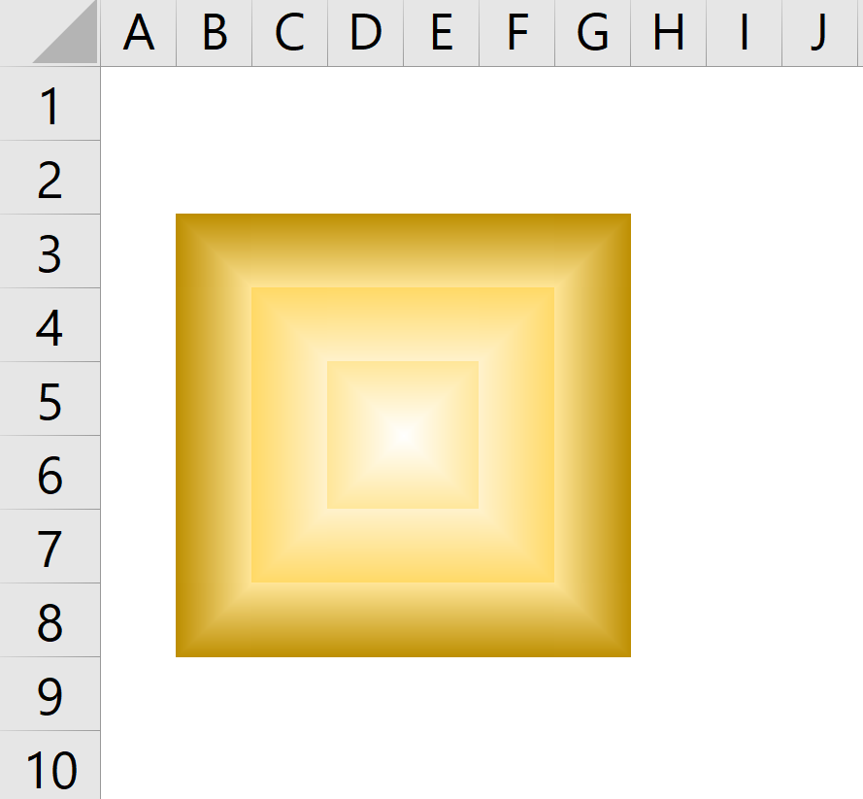
x | x | x | x | x | x

x | x | x | x | x | x

blue bars
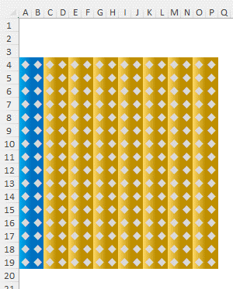
Create the design below by copying the diamond from G4 and pasting values only to the bars.
Then join the bars together
u

blue and gold
Delete the Gold cells and arrange the blue cells as seen below.
NOTE: the cells do not have to be in B3:G12
r | s | r | s | r | s | r | s | r | s | r
 | r | s | r | s | r | s | r | s | r | s | r
r | s | r | s | r | s | r | s | r | s | r
 | r | s | r | s | r | s | r | s | r | s | r
r | s | r | s | r | s | r | s | r | s | r
 | r | s | r | s | r | s | r | s | r | s | r
r | s | r | s | r | s | r | s | r | s | r
 | r | s | r | s | r | s | r | s | r | s | r
r | s | r | s | r | s | r | s | r | s | r
 | r | s | r | s | r | s | r | s | r | s | r

green and yellow
Delete the green cells and stack the gold cells as shown

l | l | l | l | l | l | l | l | l
 | l | l | l | l | l | l | l | l | l
 |  | l | l | l | l | l | l | l | l | l
 |  |  | l | l | l | l | l | l | l | l | l
 |  |  |  | l | l | l | l | l | l | l | l | l
 |  |  |  |  | l | l | l | l | l | l | l | l | l
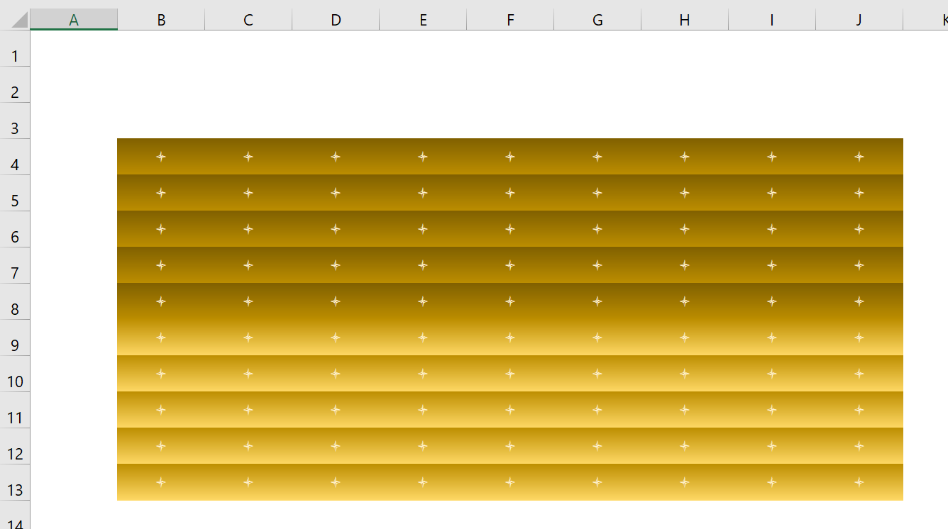
 |  |  |  |  |  | l | l | l | l | l | l | l | l | l
 |  |  |  |  | l | l | l | l | l | l | l | l | l
 |  |  |  | l | l | l | l | l | l | l | l | l
 |  |  | l | l | l | l | l | l | l | l | l
 |  | l | l | l | l | l | l | l | l | l
 | l | l | l | l | l | l | l | l | l
l | l | l | l | l | l | l | l | l
 | l | l | l | l | l | l | l | l | l
 |  | l | l | l | l | l | l | l | l | l
 |  |  | l | l | l | l | l | l | l | l | l
 |  |  |  | l | l | l | l | l | l | l | l | l
 |  |  | l | l | l | l | l | l | l | l | l
 |  | l | l | l | l | l | l | l | l | l
 | l | l | l | l | l | l | l | l | l

pipes
. | . | . | .
. | . | . | .
. | . | . | .
. | . | . | .
. | . | . | .
. | . | . | .
Arrange the cells as seen below
. | . | . | .
. | . | . | .
. | . | . | .

. | . | . | .

STOP
Excel Obstacle Course Puzzle V.1
STOP!

